MENS
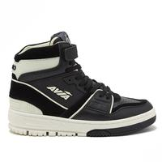
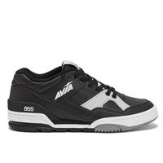
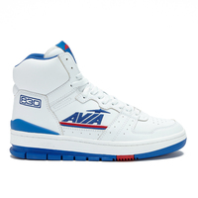
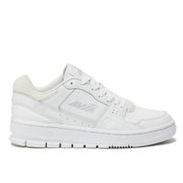
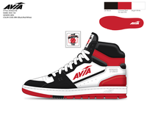
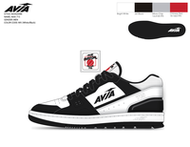
BRAND | AVA
GENDER Name | Mens
BUCKETS | ACTIVE

Sum of ATS |  |  |  |  |  |  |  | Size Name
Style Name | Style | Color Code | Color Name | Label | Dm/Pk | Loc | PPK Desc | PPK | Grand Total
AVIA 720 | AA50251M | BRH | Black/Red/White Trim | (blank) | M1275 | GWP | M 7-13 111111111111 | 16788 | 16788
 |  |  |  |  |  | GWP Total |  | 16788 | 16788
 |  | WSD | White/Red/Dk Blue | (blank) | M1275 | GWP | M 7-13 111111111111 | 13800 | 13800
 |  |  |  |  |  | GWP Total |  | 13800 | 13800
 |  | WX | White/Black Trim | (blank) | M1275 | GWP | M 7-13 111111111111 | 13800 | 13800
 |  |  |  |  |  | GWP Total |  | 13800 | 13800
AVIA 720 Total |  |  |  |  |  |  |  | 44388 | 44388
AVIA 715 | AA50250M | SW | Light Grey/White | (blank) | M1275 | GWP | M 7-13 111111111111 | 11808 | 11808
 |  |  |  |  |  | GWP Total |  | 11808 | 11808
 |  | WX | White/Black Trim | (blank) | M1275 | GWP | M 7-13 111111111111 | 16800 | 16800
 |  |  |  |  |  | GWP Total |  | 16800 | 16800
AVIA 715 Total |  |  |  |  |  |  |  | 28608 | 28608
Grand Total |  |  |  |  |  |  |  | 72996 | 72996

